AVL
Passenger aircraft and freight aircraft | 2017
Aircraft revenue-miles | 65230
Passenger-miles (millions) | 591129 |  | 1 | mile | = | 1.6093 | km
Revenue passenger-miles (millions) | 3257121 |  | 61174 | 万人
Ton-miles of freight (millions) | 67301 |  | 1108.8万架次
Revenue passenger-miles (millions) | 307567 |  | 55.171356421
total aircraft stock | 3296 | Assumes passenger and freight aircraft fly similar numbers of miles per year
Passenger aircraft stock | 3153
cargo aircraft stock | 143
share of aircraft-miles devoted to freight | 0.043
Distance-weighted avg. passengers / aircraft | 52.2
Distance-weighted avg. freight tons / aircraft | 108.7

Passenger HDVs (buses)
Vehicle-miles, all buses (millions) | 96.6 | Number of Vehicle * Total Mileage
Passenger-miles, all buses (millions) | 9052
Distance-weighted avg. passengers/bus | 93.7 | Commertial passenger road transport
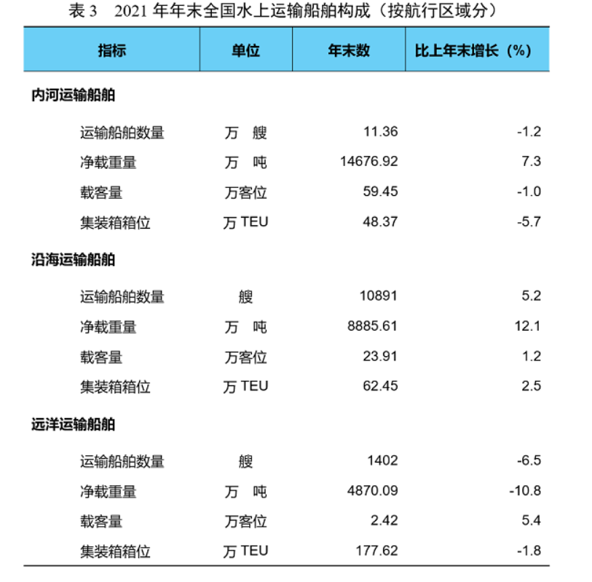
Freight HDVs | 2017
Vehicle-miles, all trucks (millions) | 1542 | Number of Vehicle * Total Mileage
Tons-miles, all trucks (millions) | 22910
Distance-weighted avg. tons/trucks | 14.9 | Commertial freight road transport

Passenger LDVs
Passenger LDV use intensity - per vehicle per year | 30
Passenger-miles (millions) | 4526
Vehicle stock (millions) | 182
Distance-weighted avg. tons/trucks | 0.8 | Private passenger road transport

Freight Ships | 2021
ton-miles (millions), cross ocean | 3422846
ton-miles (millions), coastwise | 1775847
ton-miles (millions), riverwise/internal | 928893
Total freight tons | 8239730000 | https://xxgk.mot.gov.cn/2020/jigou/zhghs/202201/t20220119_3637300.html | S
number of vessels | 120000 | SYVbT
average tons, cross ocean | 34736 | 0.011136441264
average tons,coastwise | 8158 | 0.086509972755
average tons, riverwise/internal | 1291 | 0.90235358598
Avg. freight tons/vessel, riverwise/inland | 2258 | Total Inland navigation mileage:127100km=78978miles

Passenger Ships | 2021
Total passengers | 163370000 | https://xxgk.mot.gov.cn/2020/jigou/zhghs/202201/t20220119_3637301.html
Number of passenger ships | 5900 | total ships:125900 freght ships:120000
annual distance | 20
 |  | Based on marked loading, assume a 75% of inland shipping in total amount of passenger transported by ship.
Avg. freight tons/vessel, riverwise/internal | 330
 |  | 7 times monthly, 12 months per year

river passenger per ship | 5.2332746479
costal passenger per ship | 21.953906896
cross ocean passenger per ship | 17.261055635 | 1291
 | 17.533087393 | 8158
 |  | 34736

公路客运量 | 50亿人
平均运距 | 71.31公里
公路旅客周转量 | 3627.54亿人公里

aircraft
 | year：2021
 | 班次/万次 | 吞吐量/万吨 | 平均载客人数/货吨数
passenger | 378.59 | 90748.3 | 239.70073166
freight | 60.41 | 1782.8 | 29.511670253
total | 439

 | https://baijiahao.baidu.com/s?id=1728890865770969590&wfr=spider&for=pc
https://baijiahao.baidu.com/s?id=1721726067943270147&wfr=spider&for=pc
https://baijiahao.baidu.com/s?id=1733239715752982315&wfr=spider&for=pc

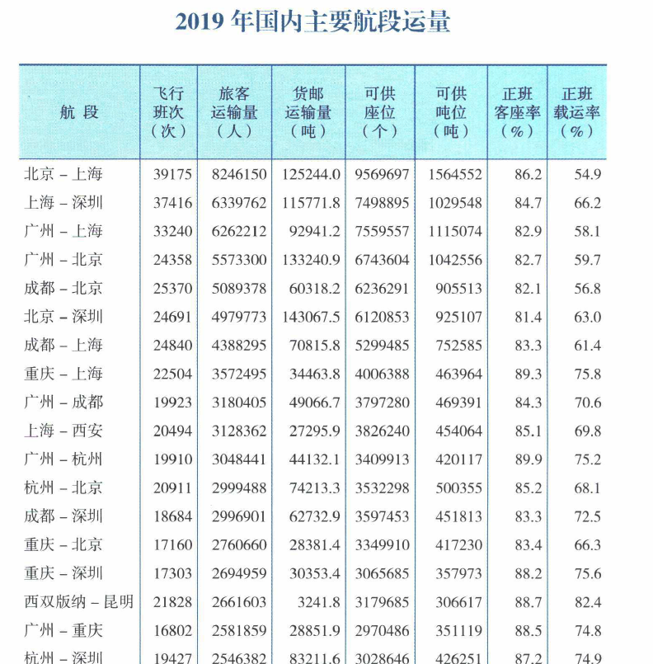
 | year：2019
 | 班次/万次 | 吞吐量/万人、万吨
passenger |  | 135162 | 根据《从统计看民航（2020）》来看，上述计算结果可信度较高，因为货运和客运是一起的，客运200人-300人/架左右，货运20吨-30吨/架左右
freight |  | 1710

